Functional_Testing
S.NO | Module | CR_No | Scenario ID | Test Scenario | Test Type | Test Case ID | Test case Description | Pre-Requisites | Steps | Steps to reproduce | Expected result | Actual result | Functional Test Result | Can data check be done | Measures used | Cube Result | Graph Result | Complexity | Defect ID | Final Test Result | Owner
1 | Revisits in a Period of Week/Month- Revisits |  | TSC001 | Verify whether on Launching the report , the entire page should be displayed. | Positive | TSC001_TC001 | To check whether on launching the report from the workspace , the entire report should be displayed. | NA | 1 | Launch Power BI | Power BI should be launched | Works as expected | Passed | NA | NA |  | 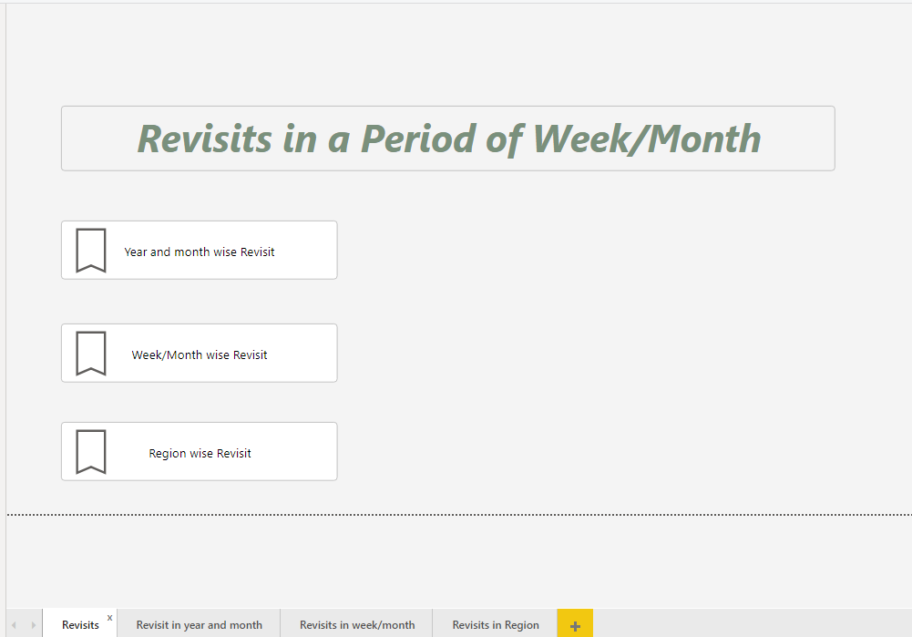 | Simple |  | Passed | SANJAY
 |  |  |  |  |  |  |  |  | 2 | From the workspaces, select HOME REPORT | HOME REPORT should be selected
 |  |  |  |  |  |  |  |  | 3 | Check whether on clicking the report name, the report gets opened and the whole data of the page gets rendered. | Whole page Data should be displayed.
2 | Revisits in a Period of Week/Month- Revisits |  | TSC002 | Verify whether the report title is displayed properly in the report. | Positive | TSC002_TC002 | To check whether the report title is displayed properly in the report. | User should be logged onto Power BI and report should be selected from the workspace. | 1 | Check whether user has logged into power BI | User should be logged into Power BI |  | Passed | NA | NA |  |  | Simple |  | Passed | sanjay
 |  |  |  |  |  |  |  |  | 2 | Check whether the report is selected | The report should be selected
 |  |  |  |  |  |  |  |  | 3 | Check whether report title is present in the top center of the report sheet | The title should be present in the top center of the report sheet

3 | Revisits in a Period of Week/Month- Revisits |  | TSC003 | Verify whether the font size, style and color are according to the requirements | Positive | TSC003_TC003 | To check whether the font size, style and color given in the report are according to the business requirement. | User should be logged onto Power BI and report should be selected from the workspace. | 1 | Check whether user has logged into power BI | User should be logged into Power BI |  | Passed | NA | NA |  |  | Simple |  | Passed | sanjay
 |  |  |  |  |  |  |  |  | 2 | Check whether the report is selected | The report should be selected
 |  |  |  |  |  |  |  |  | 3 | Check whether the font size, style and color used in the report are according to the requirements. | The font size, style and color used in the report should be according to the requirements.

4 | Revisits in a Period of Week/Month- Revisits |  | TSC004 | Verify whether No filters should be present in the report. | Positive | TSC004_TC004 | To check whether No filters should be present in the report | User should be logged onto Power BI and report should be selected from the workspace. | 1 | Check whether user has logged into power BI | User should be logged into Power BI |  | Passed | NA | NA |  |  | Simple |  | Passed | sanjay
 |  |  |  |  |  |  |  |  | 2 | Check whether the report is selected | The report should be selected
 |  |  |  |  |  |  |  |  | 3 | Check whether all the filters are present in the report UI | No filters should be present in the report be present in the report UI.

5 | Revisits in a Period of Week/Month- Revisits |  | TSC005 | Verify whether NO toggles should be present in the report. | Positive | TSC005_TC005 | To verify whether NO toggles should be present in the report. | User should be logged onto Power BI and report should be selected from the workspace. | 1 | Check whether the report is selected | The report should be selected | Works as expected | Passed | NA | NA |  |  | Simple |  | Passed | Sanjay
 |  |  |  |  |  |  |  |  | 2 | Check whether NO toggles should be present in the report. | NO toggles should be present in the report UI.

6 | Revisits in a Period of Week/Month- Revisits |  | TSC006 | Verify whether all the links in the report works fine. | Positive | TSC006_TC006 | To check whether links to navigate to respective dashboards are present in the report | User should be logged onto Power BI and report should be selected from the workspace. | 1 | Check whether the report is selected | The report should be selected | Works as expected | Passed | NA | NA |  | 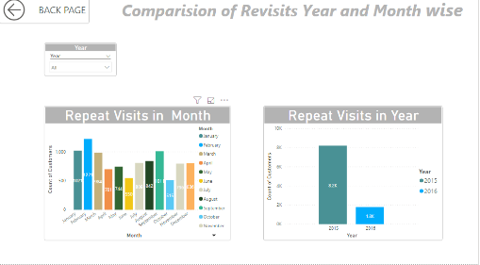 | Simple |  | Passed | SANJAY
 |  |  |  |  |  |  |  |  | 2 | Check whether all the links are present in the report UI. | All the links should be present in the report UI.
 |  |  |  |  |  |  |  |  | 3 | Check whether when link is selected , the report navigates to that particular dashboard page. | When a link is selected , that particular dashboard should be navigated.

7 | Revisits in a Period of Week/Month- Revisits |  | TSC007 | Verify whether all visuals are present as per requirements | Positive | TSC007_TC007 | To check whether all visuals are present as per requirements | User should be logged onto Power BI and report should be selected from the workspace. | 1 | Check whether the report is selected | The report should be selected |  | Passed | NA | NA |  |  | Simple |  | Passed | SANJAY
 |  |  |  |  |  |  |  |  | 2 | check whether all visuals are present as per requirements | all visuals are not present as per requirements

8 | Revisits in a Period of Week/Month- Revisit in year and month |  | TSC008 | Verify whether on Launching the report , the entire page should be displayed. | Positive | TSC008_TC008 | To check whether on launching the report from the workspace , the entire report should be displayed. | NA | 1 | Launch Power BI | Power BI should be launched | Works as expected | Passed | NA | NA |  |  | Simple |  | passed | SANJAY
 |  |  |  |  |  |  |  |  | 2 | From the workspaces, select Employee info reports | Employee info reports should be selected
 |  |  |  |  |  |  |  |  | 3 | Check whether on clicking the report name, the report gets opened and the whole data of the page gets rendered. | Whole page Data should be displayed.
9 | Revisits in a Period of Week/Month- Revisit in year and month |  | TSC009 | Verify whether the report title is displayed properly in the report. | Positive | TSC009_TC009 | To check whether the report title is displayed properly in the report. | User should be logged onto Power BI and report should be selected from the workspace. | 1 | Check whether user has logged into power BI | User should be logged into Power BI | works as expected | Passed | NA | NA |  |  | Simple |  | Passed | SANJAY
 |  |  |  |  |  |  |  |  | 2 | Check whether the report is selected | The report should be selected
 |  |  |  |  |  |  |  |  | 3 | Check whether report title is present in the top center of the report sheet | The title should be present in the top center of the report sheet

10 | Revisits in a Period of Week/Month- Revisit in year and month |  | TSC010 | Verify whether the font size, style and color are according to the requirements | Positive | TSC010_TC010 | To check whether the font size, style and color given in the report are according to the business requirement. | User should be logged onto Power BI and report should be selected from the workspace. | 1 | Check whether user has logged into power BI | User should be logged into Power BI | Works as expected | Passed | NA | NA |  |  | Simple |  | Passed | SANJAY
 |  |  |  |  |  |  |  |  | 2 | Check whether the report is selected | The report should be selected
 |  |  |  |  |  |  |  |  | 3 | Check whether the font size, style and color used in the report are according to the requirements. | The font size, style and color used in the report should be according to the requirements.

11 | Revisits in a Period of Week/Month- Revisit in year and month |  | TSC011 | Verify whether all the filters are present in the report. | Positive | TSC011_TC011 | To check whether all the filters are present in the report UI | User should be logged onto Power BI and report should be selected from the workspace. | 1 | Check whether user has logged into power BI | User should be logged into Power BI | Works as expected | Passed | NA | NA |  |  | Simple |  | Passed | SANJAY
 |  |  |  |  |  |  |  |  | 2 | Check whether the report is selected | The report should be selected
 |  |  |  |  |  |  |  |  | 3 | Check whether all the filters are present in the report UI | All the filters should be present in the report UI.

12 | Revisits in a Period of Week/Month- Revisit in year and month |  | TSC012 | Verify whether all the filters works fine. | Positive | TSC012_TC012 | To verify whether all the filters in the report UI are not empty or does not contain any blanks | User should be logged onto Power BI and report should be selected from the workspace. | 1 | Check whether all the filters is displayed in the report UI | All the filters should be displayed in the report UI. | Works as expected | Passed | NA | NA |  | 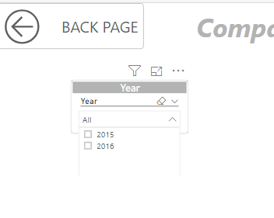 | Medium |  | Passed | SANJAY
 |  |  |  |  |  |  |  |  | 2 | Check whether all the filters are not empty | All the filters in the report UI should not be empty.

13 | Revisits in a Period of Week/Month- Revisit in year and month |  | TSC013 | Verify whether all the filters works fine. | Positive | TSC013_TC013 | To verify whether all the data values are specified in the all filters properly. | User should be logged onto Power BI and report should be selected from the workspace. | 1 | Check whether all the filters is displayed in the report UI | All the filters should be displayed in the report UI. |  | Passed | NA | NA |  |  | Simple |  | Passed | sanjay
 |  |  |  |  |  |  |  |  | 2 | Click on the filter. | The dropdown is displayed for the particular filter selected
 |  |  |  |  |  |  |  |  | 3 | Check whether all the options are displayed in all the filters | All the options should be displayed in all the filters

14 | Revisits in a Period of Week/Month- Revisit in year and month |  | TSC014 | Verify whether all the filters works fine. | Positive | TSC014_TC014 | To verify whether the default option for the filters is given properly. | User should be logged onto Power BI and report should be selected from the workspace. | 1 | Check whether all the filters is displayed in the report UI | All the filters should be displayed in the report UI. | ALL IS SELECTED AS DEFAULT VALUE | Passed | NA | NA |  |  | Medium |  | Passed | sanjay
 |  |  |  |  |  |  |  |  | 2 | Click on the filter. | The dropdown is displayed for the particular filter selected
 |  |  |  |  |  |  |  |  | 3 | Check whether the default option for all the filters is given properly. | The default option for all the filters should be given properly.

15 | Revisits in a Period of Week/Month- Revisit in year and month |  | TSC015 | Verify whether all the filters works fine. | Positive | TSC015_TC015 | To verify whether all the options specified in the filter are sorted for all the filters in the report UI. | User should be logged onto Power BI and report should be selected from the workspace. | 1 | Check whether all the filters is displayed in the report UI | All the filters should be displayed in the report UI. | Works as expected | Passed | NA | NA |  |  | Simple |  | Passed | sanjay
 |  |  |  |  |  |  |  |  | 2 | Click on the filter. | The dropdown is displayed for the particular filter selected
 |  |  |  |  |  |  |  |  | 3 | Check whether the options specified in the filter are sorted | The options in all the filters should be sorted in the report UI.

16 | Revisits in a Period of Week/Month- Revisit in year and month |  | TSC016 | Verify whether all the filters works fine. | Positive | TSC016_TC016 | To verify whether search box is provided in all the filters in the report UI. | User should be logged onto Power BI and report should be selected from the workspace. | 1 | Check whether all the filters is displayed in the report UI | All the filters should be displayed in the report UI. | NO SEARCH OPTION AVAILABLE FOR YEAR FILTER | Passed | NA | NA |  |  | Simple |  | Passed | sanjay
 |  |  |  |  |  |  |  |  | 2 | Click on the filter. | The dropdown is displayed for the particular filter selected
 |  |  |  |  |  |  |  |  | 3 | Check whether search box is available in all the filters | Search box should be available in all the filters in the report UI.

17 | Revisits in a Period of Week/Month- Revisit in year and month |  | TSC017 | Verify whether all the filters works fine. | Positive | TSC017_TC017 | To verify whether the clear selection option is available for all the filters in the report and check if it works fine. | User should be logged onto Power BI and report should be selected from the workspace. | 1 | Check whether all the filters is displayed in the report UI | All the filters should be displayed in the report UI. |  | Passed | NA | NA |  |  | Simple |  | Passed | Sanjay
 |  |  |  |  |  |  |  |  | 2 | Check whether clear selection option is available for all the filters. | Clear selection option should be available for all the filters.
 |  |  |  |  |  |  |  |  | 3 | Select any option in the filters and click on the clear selection option. | Once clear selection option is clicked, all the selections of that filter should be disabled and default option should be selected.

18 | Revisits in a Period of Week/Month- Revisit in year and month |  | TSC018 | Verify whether all the filters works fine. | Positive | TSC018_TC018 | To verify whether the 'select all' option is available for all the filters in the report and check if it works fine. | User should be logged onto Power BI and report should be selected from the workspace. | 1 | Check whether all the filters is displayed in the report UI | All the filters should be displayed in the report UI. | NO ALL OPTION FOUND | Failed | NA | NA |  |  | Simple | D0001 | Failed | SANJAY
 |  |  |  |  |  |  |  |  | 2 | Check whether 'select all' option is available for all the filters. | select all' option should be available for all the filters.
 |  |  |  |  |  |  |  |  | 3 | Click on the' select all' option in the filters present in report UI. Check if all the options get selected. | Once 'select all' option is clicked, all the options of that filter should be selected.

19 | Revisits in a Period of Week/Month- Revisit in year and month |  | TSC019 | Verify whether all the filters works fine. | Positive | TSC019_TC019 | To verify whether multiple selections can be done in all the filters that are present in the report UI. | User should be logged onto Power BI and report should be selected from the workspace. | 1 | Check whether all the filters is displayed in the report UI | All the filters should be displayed in the report UI. |  | Passed | NA | NA |  |  |  |  | Passed | SANJAY
 |  |  |  |  |  |  |  |  | 2 | Check whether 'select all' option is available for all the filters. | select all' option should be available for all the filters.
 |  |  |  |  |  |  |  |  | 3 | Click on the' select all' option in the filters present in report UI. Check if all the options get selected. | Once 'select all' option is clicked, all the options of that filter should be selected.

20 | Revisits in a Period of Week/Month- Revisit in year and month |  | TSC020 | Verify whether all the NO toggles . | Positive | TSC020_TC020 | To verify whether all the NO toggles . | User should be logged onto Power BI and report should be selected from the workspace. | 1 | Check whether the report is selected | The report should be selected |  | Passed | NA | NA |  |  | Simple |  | Passed | SANJAY
 |  |  |  |  |  |  |  |  | 2 | Check whether NO the toggles are present in the report UI. | NO toggles should be present in the report UI.

21 | Revisits in a Period of Week/Month- Revisit in year and month |  | TSC021 | Verify whether all the links in the report works fine. | Positive | TSC021_TC021 | To check whether links to navigate to respective dashboards are present in the report | User should be logged onto Power BI and report should be selected from the workspace. | 1 | Check whether the report is selected | The report should be selected | Works as expected | Passed | NA | NA |  |  | Simple |  | Passed | SANJAY
 |  |  |  |  |  |  |  |  | 2 | Check whether all the links are present in the report UI. | All the links should be present in the report UI.
 |  |  |  |  |  |  |  |  | 3 | Check whether when link is selected , the report navigates to that particular dashboard page. | When a link is selected , that particular dashboard should be navigated.

22 | Revisits in a Period of Week/Month- Revisit in year and month |  | TSC022. | Verify whether tooltip is displayed in the report UI | Positive | TSC022_TC022 | To check whether tooltip is available for all labels and it works properly in the report. | User should be logged onto Power BI and report should be selected from the workspace. | 1 | Check whether the report is selected | The report should be selected | Works as expected | Passed | NA | NA |  |  | Simple |  | Passed | SANJAY
 |  |  |  |  |  |  |  |  | 2 | Select any filter option in the report | The drop down of that filter should be displayed
 |  |  |  |  |  |  |  |  | 3 | Hover the mouse over the field name and the filter values and check whether tooltip is displayed. | When hovered over the filter values , tool tip should be displayed

23 | Revisits in a Period of Week/Month- Revisit in year and month |  | TSC023 | Verify whether the date formats in the report are specified correctly | Positive | TSC023_TC023 | To check whether the date format of the month filter is mentioned as 'Month YYYY' | User should be logged onto Power BI and report should be selected from the workspace. | 1 | Check whether the report is selected | The report should be selected | no date is used | Passed | NA | NA |  |  | Simple |  | Passed | SANJAY
 |  |  |  |  |  |  |  |  | 2 | Select the Period filter. | The Period filter should be selected
 |  |  |  |  |  |  |  |  | 3 | Check whether the format of the Period filter is given as 'Month YYYY' | The format of the Period filter should be given as 'Month YYYY'

24 | Revisits in a Period of Week/Month- Revisit in year and month |  | TSC024 | Verify whether overlapping of charts does not occur in the report. | Negative | TSC024_TC024 | To check whether one chart does not overlap on other in the report. | User should be logged onto Power BI and report should be selected from the workspace. | 1 | Check whether the report is selected | The report should be selected | Works as expected | Passed | NA | NA |  |  | Simple |  | Passed | sanjay
 |  |  |  |  |  |  |  |  | 2 | Check the positioning of the charts in the report | The charts should be positioned properly
 |  |  |  |  |  |  |  |  | 3 | Check if there is no overlapping of charts and there is proper spacing given according to the requirements | There should not be any overlapping in the report

25 | Revisits in a Period of Week/Month- |  | TSC025 | Verify whether on Launching the report , the entire page should be displayed. | Positive | TSC025_TC025 | To check whether on launching the report from the workspace , the entire report should be displayed. | NA | 1 | Launch Power BI | Power BI should be launched | Works as expected | Passed | NA | NA |  | 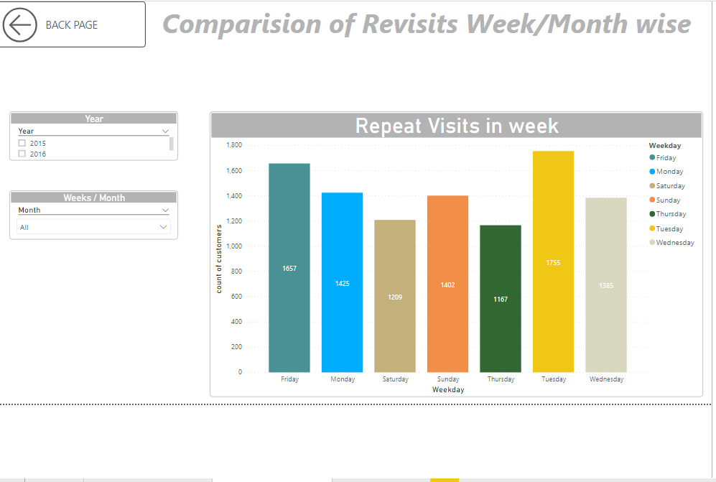 | Simple |  | Passed | sanjay
 |  |  |  |  |  |  |  |  | 2 | From the workspaces, select Primary Market Share reports | Primary Market Share reports should be selected
 |  |  |  |  |  |  |  |  | 3 | Check whether on clicking the report name, the report gets opened and the whole data of the page gets rendered. | Whole page Data should be displayed.
26 | Revisits in a Period of Week/Month- |  | TSC026 | Verify whether the report title is displayed properly in the report. | Positive | TSC026_TC026 | To check whether the report title is displayed properly in the report. | User should be logged onto Power BI and report should be selected from the workspace. | 1 | Check whether user has logged into power BI | User should be logged into Power BI | works as expected | Passed | NA | NA |  |  | Simple |  | Passed | sanjay
 |  |  |  |  |  |  |  |  | 2 | Check whether the report is selected | The report should be selected
 |  |  |  |  |  |  |  |  | 3 | Check whether report title is present in the top center of the report sheet | The title should be present in the top center of the report sheet

27 | Revisits in a Period of Week/Month- |  | TSC027 | Verify whether the font size, style and color are according to the requirements | Positive | TSC027_TC027 | To check whether the font size, style and color given in the report are according to the business requirement. | User should be logged onto Power BI and report should be selected from the workspace. | 1 | Check whether user has logged into power BI | User should be logged into Power BI |  | Passed | NA | NA |  |  | Simple |  | Passed | Sanjay
 |  |  |  |  |  |  |  |  | 2 | Check whether the report is selected | The report should be selected
 |  |  |  |  |  |  |  |  | 3 | Check whether the font size, style and color used in the report are according to the requirements. | The font size, style and color used in the report should be according to the requirements.

28 | Revisits in a Period of Week/Month- |  | TSC028 | Verify whether all the filters are present in the report. | Positive | TSC028_TC028 | To check whether all the filters are present in the report UI | User should be logged onto Power BI and report should be selected from the workspace. | 1 | Check whether user has logged into power BI | User should be logged into Power BI | NO DROP DOWN FOR YEAR | Failed | NA | NA |  |  | Simple | D0002 | Failed | SANJAY
 |  |  |  |  |  |  |  |  | 2 | Check whether the report is selected | The report should be selected
 |  |  |  |  |  |  |  |  | 3 | Check whether all the filters are present in the report UI | All the filters should be present in the report UI.

29 | Revisits in a Period of Week/Month- |  | TSC029 | Verify whether all the filters works fine. | Positive | TSC029_TC029 | To verify whether all the filters in the report UI are not empty or does not contain any blanks | User should be logged onto Power BI and report should be selected from the workspace. | 1 | Check whether all the filters is displayed in the report UI | All the filters should be displayed in the report UI. | Works as expected | Passed | NA | NA |  |  | Simple |  | Passed | SANJAY
 |  |  |  |  |  |  |  |  | 2 | Check whether all the filters are not empty | All the filters in the report UI should not be empty.

30 | Revisits in a Period of Week/Month- |  | TSC030 | Verify whether all the filters works fine. | Positive | TSC030_TC030 | To verify whether all the data values are specified in the all filters properly. | User should be logged onto Power BI and report should be selected from the workspace. | 1 | Check whether all the filters is displayed in the report UI | All the filters should be displayed in the report UI. |  | Passed | NA | NA |  |  | Medium |  | Passed | SANJAY
 |  |  |  |  |  |  |  |  | 2 | Click on the filter. | The dropdown is displayed for the particular filter selected
 |  |  |  |  |  |  |  |  | 3 | Check whether all the options are displayed in all the filters | All the options should be displayed in all the filters

31 | Revisits in a Period of Week/Month- |  | TSC0031 | Verify whether all the filters works fine. | Positive | TSC0031_TC0031 | To verify whether all the options specified in the filter are sorted for all the filters in the report UI. | User should be logged onto Power BI and report should be selected from the workspace. | 1 | Check whether all the filters is displayed in the report UI | All the filters should be displayed in the report UI. | Works as expected | Passed | NA | NA |  |  | Medium |  | Passed | SANJAY
 |  |  |  |  |  |  |  |  | 2 | Click on the filter. | The dropdown is displayed for the particular filter selected
 |  |  |  |  |  |  |  |  | 3 | Check whether the options specified in the filter are sorted | The options in all the filters should be sorted in the report UI.

32 | Revisits in a Period of Week/Month- |  | TSC032 | Verify whether all the filters works fine. | Positive | TSC032_TC032 | To verify whether search box is provided in all the filters in the report UI. | User should be logged onto Power BI and report should be selected from the workspace. | 1 | Check whether all the filters is displayed in the report UI | All the filters should be displayed in the report UI. | Works as expected | Passed | NA | NA |  |  | Simple |  | Passed | SANJAY
 |  |  |  |  |  |  |  |  | 2 | Click on the filter. | The dropdown is displayed for the particular filter selected
 |  |  |  |  |  |  |  |  | 3 | Check whether search box is available in all the filters | Search box should be available in all the filters in the report UI.

33 | Revisits in a Period of Week/Month- |  | TSC033 | Verify whether all the filters works fine. | Positive | TSC033_TC033 | To verify whether on entering the first character ,matching results are appeared in the search box in all the filters | User should be logged onto Power BI and report should be selected from the workspace. | 1 | Check whether all the filters is displayed in the report UI | All the filters should be displayed in the report UI. | Works as expected | Passed | NA | NA |  |  | Simple |  | Passed | SANJAY
 |  |  |  |  |  |  |  |  | 2 | Check whether search box is available for all the filters. | Search box should be available for all the filters.
 |  |  |  |  |  |  |  |  | 3 | Check whether on entering the first character ,matching results are appeared in the search box in all the filters | On entering the first character ,matching results should be appeared in the search box in all the filters in the report UI.

34 | Revisits in a Period of Week/Month- |  | TSC034 | Verify whether all the links in the report works fine. | Positive | TSC034_TC034 | To check whether links to navigate to respective dashboards are present in the report | User should be logged onto Power BI and report should be selected from the workspace. | 1 | Check whether the report is selected | The report should be selected | Works as expected | Passed | NA | NA |  |  | Simple |  | Passed | SANJAY
 |  |  |  |  |  |  |  |  | 2 | Check whether all the links are present in the report UI. | All the links should be present in the report UI.
 |  |  |  |  |  |  |  |  | 3 | Check whether when link is selected , the report navigates to that particular dashboard page. | When a link is selected , that particular dashboard should be navigated.

35 | Revisits in a Period of Week/Month- |  | TSC035 | Verify whether tooltip is displayed in the report UI | Positive | TSC035_TC035 | To check whether tooltip is available for all labels and it works properly in the report. | User should be logged onto Power BI and report should be selected from the workspace. | 1 | Check whether the report is selected | The report should be selected | Works as expected | Passed | NA | NA |  |  | Simple |  | Passed | SANJAY
 |  |  |  |  |  |  |  |  | 2 | Select any filter option in the report | The drop down of that filter should be displayed
 |  |  |  |  |  |  |  |  | 3 | Hover the mouse over the field name and the filter values and check whether tooltip is displayed. | When hovered over the filter values , tool tip should be displayed

36 | Revisits in a Period of Week/Month- |  | TSC036 | Verify whether when data is not available for any filter it should not display NULL values | Negative | TSC030_TC030 |  | User should be logged onto Power BI and report should be selected from the workspace. | 1 | Check whether the report is selected | The report should be selected |  | Passed | NA | NA |  |  | Simple |  | Passed | SANJAY
 |  |  |  |  |  |  |  |  | 2 | Select the one or multiple filter options. | One or more filter options should be selected.
 |  |  |  |  |  |  |  |  | 3 | Check if any NULL values are displayed in the report area. | NULL values should not be displayed in the report area .

37 | Revisits in a Period of Week/Month- |  | TSC037 | Verify whether overlapping of charts does not occur in the report. | Negative | TSC037_TC037 | To check whether one chart does not overlap on other in the report. | User should be logged onto Power BI and report should be selected from the workspace. | 1 | Check whether the report is selected | The report should be selected | Works as expected | Passed | NA | NA |  |  | Simple |  | Passed | SANJAY
 |  |  |  |  |  |  |  |  | 2 | Check the positioning of the charts in the report | The charts should be positioned properly
 |  |  |  |  |  |  |  |  | 3 | Check if there is no overlapping of charts and there is proper spacing given according to the requirements | There should not be any overlapping in the report

38 | Revisits in a Period of Week/Month- |  | TSC038 | Verify whether any percentage values calculated should not be greater than 100 | Negative | TSC038_TC038 | To verify whether any percentage values calculated should not be greater than 100 | User should be logged onto Power BI and report should be selected from the workspace. | 1 | Check whether the report is selected | The report should be selected | Works as expected | Passed | NA | NA |  |  | Medium |  | Passed | SANJAY
 |  |  |  |  |  |  |  |  | 2 | Check if cards are present in the report | Cards should be selected.
 |  |  |  |  |  |  |  |  | 3 | Check if all the percentage values does not exceed 100 | Percentage values should not exceed 100.

39 | Revisits in a Period of Week/Month- |  | TSC039 | Verify whether the position of all filters and toggles are proper | Positive | TSC039_TC039 | To check whether all the filters and toggles are positioned correctly | User should be logged onto Power BI and report should be selected from the workspace. | 1 | Check whether the report is selected | The report should be selected |  | Passed | NA | NA |  |  | Simple |  | Passed | SANJAY
 |  |  |  |  |  |  |  |  | 2 | Check whether all the filters and toggles are present in the report | All the filters and toggles should be present in the report
 |  |  |  |  |  |  |  |  | 3 | Ensure that all the filters and toggles are positioned correctly | All the filters and toggles should be positioned correctly in the report

40 | Revisits in a Period of Week/Month- |  | TSC040 | Verify whether blanks are not displayed any chart in the report area. | Positive | TSC040_TC040 | To check whether blanks are not displayed in any of the charts in the report area. | User should be logged onto Power BI and report should be selected from the workspace. | 1 | Check whether the report is selected | The report should be selected |  | Passed | NA | NA |  |  | Simple |  | Passed | SANJAY
 |  |  |  |  |  |  |  |  | 2 | Select the any filter in the report. | Any filter should be selected in the report.
 |  |  |  |  |  |  |  |  | 3 | Check if data is not available for any particular filter option , it display blanks or not. | Blanks should not be displayed if data is not available.

41 | Revisits in a Period of Week/Month- |  | TSC041 | Verify whether reset button works properly | Positive | TSC041_TC041 | To check whether reset button functions properly | User should be logged onto Power BI and report should be selected from the workspace. | 1 | Check whether the report is selected | The report should be selected | No Reset button is available | Passed | NA | NA |  |  | Simple |  | Passed | SANJAY
 |  |  |  |  |  |  |  |  | 2 | Check whether the reset button is present in the report | The reset button should be present in the report
 |  |  |  |  |  |  |  |  | 3 | Ensure that the once the reset button is clicked the report filter options are set to default | The filter options should be set to default when the reset button is clicked

42 | Revisits in Region |  | TSC042 | Verify whether on Launching the report , the entire page should be displayed. | Positive | TSC042_TC042 | To check whether on launching the report from the workspace , the entire report should be displayed. | NA | 1 | Launch Power BI | Power BI should be launched | Works as expected | Passed | NA | NA |  | 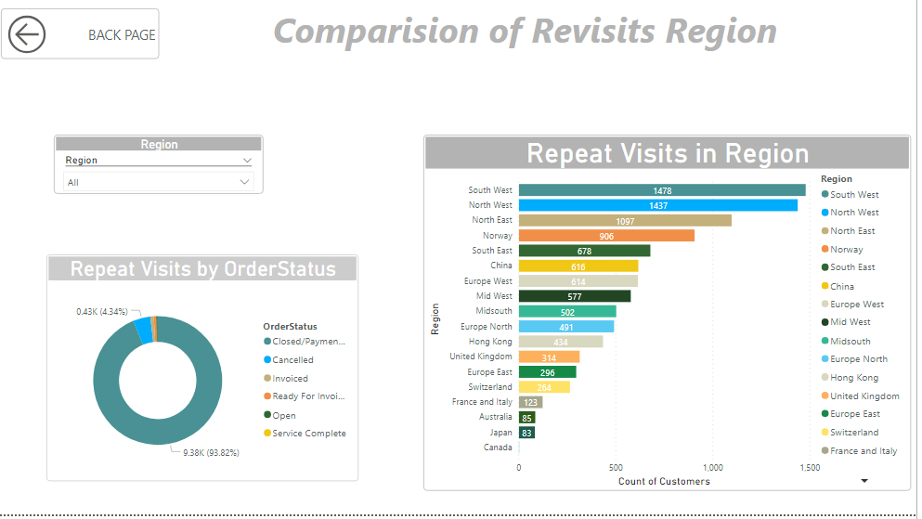 | Simple |  | Passed | SANJAY
 |  |  |  |  |  |  |  |  | 2 | From the workspaces, select Customer Wise Sales and Order report | Customer Wise Sales and Order reports should be selected
 |  |  |  |  |  |  |  |  | 3 | Check whether on clicking the report name, the report gets opened and the whole data of the page gets rendered. | Whole page Data should be displayed.
43 | Revisits in Region |  | TSC043 | Verify whether the report title is displayed properly in the report. | Positive | TSC043_TC043 | To check whether the report title is displayed properly in the report. | User should be selected in report | 1 | Check whether user has launched Power BI | User should be into Power BI | works as expected | Passed | NA | NA |  |  | Simple |  | Passed | SANJAY
 |  |  |  |  |  |  |  |  | 2 | Check whether the report is selected | The report should be selected
 |  |  |  |  |  |  |  |  | 3 | Check whether report title is present in the top center of the report sheet | The title should be present in the top center of the report sheet

44 | Revisits in Region |  | TSC044 | Verify whether the font size, style and color are according to the requirements | Positive | TSC044_TC044 | To check whether the font size, style and color given in the report are according to the business requirement. | User should be selected in report | 1 | Check whether user has launched Power BI | User should be into Power BI |  | Passed | NA | NA |  |  | Simple |  | Passed | SANJAY
 |  |  |  |  |  |  |  |  | 2 | Check whether the report is selected | The report should be selected
 |  |  |  |  |  |  |  |  | 3 | Check whether the font size, style and color used in the report are according to the requirements. | The font size, style and color used in the report should be according to the requirements.

45 | Revisits in Region |  | TSC045 | Verify whether all the filters are present in the report. | Positive | TSC045_TC045 | To check whether all the filters are present in the report UI | User should be selected in report | 1 | Check whether user has launched Power BI | User should be into Power BI |  | Passed | NA | NA |  |  | Simple |  | Passed | SANJAY
 |  |  |  |  |  |  |  |  | 2 | Check whether the report is selected | The report should be selected
 |  |  |  |  |  |  |  |  | 3 | Check whether all the filters are present in the report UI | All the filters should be present in the report UI.

46 | Revisits in Region |  | TSC046 | Verify whether all the filters works fine. | Positive | TSC046_TC046 | To verify whether all the filters in the report UI are not empty or does not contain any blanks | User should be selected in report | 1 | Check whether all the filters is displayed in the report UI | All the filters should be displayed in the report UI. | Works as expected | Passed | NA | NA |  |  | Simple |  | Passed | SANJAY
 |  |  |  |  |  |  |  |  | 2 | Check whether all the filters are not empty | All the filters in the report UI should not be empty.

47 | Revisits in Region |  | TSC047 | Verify whether all the filters works fine. | Positive | TSC047_TC047 | To verify whether all the data values are specified in the all filters properly. | User should be selected in report | 1 | Check whether all the filters is displayed in the report UI | All the filters should be displayed in the report UI. |  | Passed | NA | NA |  |  | Medium |  | Passed | SANJAY
 |  |  |  |  |  |  |  |  | 2 | Click on the filter. | The dropdown is displayed for the particular filter selected
 |  |  |  |  |  |  |  |  | 3 | Check whether all the options are displayed in all the filters | All the options should be displayed in all the filters

48 | Revisits in Region |  | TSC048 | Verify whether all the filters works fine. | Positive | TSC048_TC048 | To verify whether the default option for the filters is given properly. | User should be selected in report | 1 | Check whether all the filters is displayed in the report UI | All the filters should be displayed in the report UI. |  | Passed | NA | NA |  |  | Simple |  | Passed | SANJAY
 |  |  |  |  |  |  |  |  | 2 | Click on the filter. | The dropdown is displayed for the particular filter selected
 |  |  |  |  |  |  |  |  | 3 | Check whether the default option for all the filters is given properly. | The default option for all the filters should be given properly.

49 | Revisits in Region |  | TSC049 | Verify whether all the filters works fine. | Positive | TSC049_TC049 | To verify whether all the options specified in the filter are sorted for all the filters in the report UI. | User should be selected in report | 1 | Check whether all the filters is displayed in the report UI | All the filters should be displayed in the report UI. | Works as expected | Passed | NA | NA |  |  | Medium |  | Passed | SANJAY
 |  |  |  |  |  |  |  |  | 2 | Click on the filter. | The dropdown is displayed for the particular filter selected
 |  |  |  |  |  |  |  |  | 3 | Check whether the options specified in the filter are sorted | The options in all the filters should be sorted in the report UI.

50 | Revisits in Region |  | TSC050 | Verify whether all the filters works fine. | Positive | TSC050_TC050 | To verify whether search box is provided in all the filters in the report UI. | User should be selected in report | 1 | Check whether all the filters is displayed in the report UI | All the filters should be displayed in the report UI. | Works as expected | Passed | NA | NA |  |  | Simple |  | Passed | SANJAY
 |  |  |  |  |  |  |  |  | 2 | Click on the filter. | The dropdown is displayed for the particular filter selected
 |  |  |  |  |  |  |  |  | 3 | Check whether search box is available in all the filters | Search box should be available in all the filters in the report UI.

51 | Revisits in Region |  | TSC051 | Verify whether all the filters works fine. | Positive | TSC051_TC051 | To verify whether the clear selection option is available for all the filters in the report and check if it works fine. | User should be selected in report | 1 | Check whether all the filters is displayed in the report UI | All the filters should be displayed in the report UI. | Works as expected | Passed | NA | NA |  | 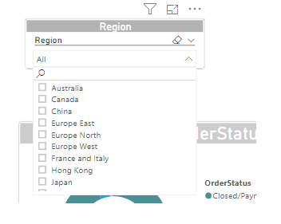 | Simple |  | Passed | SANJAY
 |  |  |  |  |  |  |  |  | 2 | Check whether clear selection option is available for all the filters. | Clear selection option should be available for all the filters.
 |  |  |  |  |  |  |  |  | 3 | Select any option in the filters and click on the clear selection option. | Once clear selection option is clicked, all the selections of that filter should be disabled and default option should be selected.

52 | Revisits in Region |  | TSC052 | Verify whether all the filters works fine. | Positive | TSC052_TC052 | To verify whether the 'select all' option is available for all the filters in the report and check if it works fine. | User should be selected in report | 1 | Check whether all the filters is displayed in the report UI | All the filters should be displayed in the report UI. | Works as expected | Failed | NA | NA | NO SELECT ALL OPTION |  | Simple | D0003 | Failed | SANJAY
 |  |  |  |  |  |  |  |  | 2 | Check whether 'select all' option is available for all the filters. | select all' option should be available for all the filters.
 |  |  |  |  |  |  |  |  | 3 | Click on the' select all' option in the filters present in report UI. Check if all the options get selected. | Once 'select all' option is clicked, all the options of that filter should be selected.

53 | Revisits in Region |  | TSC053 | Verify whether all the filters works fine. | Positive | TSC053_TC053 | To verify whether multiple selections can be done in all the filters that are present in the report UI. | User should be selected in report | 1 | Check whether all the filters is displayed in the report UI | All the filters should be displayed in the report UI. | works as expected | Passed | NA | NA |  |  | Simple |  | Passed | SANJAY
 |  |  |  |  |  |  |  |  | 2 | Check whether 'select all' option is available for all the filters. | select all' option should be available for all the filters.
 |  |  |  |  |  |  |  |  | 3 | Click on the' select all' option in the filters present in report UI. Check if all the options get selected. | Once 'select all' option is clicked, all the options of that filter should be selected.

54 | Revisits in Region |  | TSC054 | Verify whether all the toggles works fine. | Positive | TSC054_TC054 | To verify whether all the toggles are present in the report UI. | User should be selected in report | 1 | Check whether the report is selected | The report should be selected | Works as expected | Passed | NA | NA |  |  |  |  | Passed | SANJAY
 |  |  |  |  |  |  |  |  | 2 | Check whether all the toggles are present in the report UI. | All the toggles should be present in the report UI.

55 | Revisits in Region |  | TSC055 | Verify whether all the links in the report works fine. | Positive | TSC055_TC055 | To check whether links to navigate to respective dashboards are present in the report | User should be selected in report | 1 | Check whether the report is selected | The report should be selected | Works as expected | Passed | NA | NA |  |  | Simple |  | Passed | SANJAY
 |  |  |  |  |  |  |  |  | 2 | Check whether all the links are present in the report UI. | All the links should be present in the report UI.
 |  |  |  |  |  |  |  |  | 3 | Check whether when link is selected , the report navigates to that particular dashboard page. | When a link is selected , that particular dashboard should be navigated.

56 | Revisits in Region |  | TSC056 | Verify whether tooltip is displayed in the report UI | Positive | TSC056_TC056 | To check whether tooltip is available for all labels and it works properly in the report. | User should be selected in report | 1 | Check whether the report is selected | The report should be selected | Works as expected | Passed | NA | NA |  | 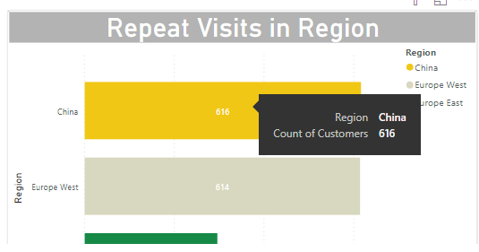 | Simple |  | Passed | SANJAY
 |  |  |  |  |  |  |  |  | 2 | Select any filter option in the report | The drop down of that filter should be displayed
 |  |  |  |  |  |  |  |  | 3 | Hover the mouse over the field name and the filter values and check whether tooltip is displayed. | When hovered over the filter values , tool tip should be displayed

57 | Revisits in Region |  | TSC057 | Verify whether when data is not available for any filter it should not display NULL values | Negative | TSC057_TC057 | To check whether NULL records for any values are all replaced by 'N/A' | User should be selected in report | 1 | Check whether the report is selected | The report should be selected |  | Passed | NA | NA |  |  | Simple | D0018 | Passed | SANJAY
 |  |  |  |  |  |  |  |  | 2 | Select the one or multiple filter options. | One or more filter options should be selected.
 |  |  |  |  |  |  |  |  | 3 | Check if any NULL values are displayed in the report area. | NULL values should not be displayed in the report area .

58 | Revisits in Region |  | TSC058 | Verify whether overlapping of charts does not occur in the report. | Negative | TSC058_TC058 | To check whether one chart does not overlap on other in the report. | User should be selected in report | 1 | Check whether the report is selected | The report should be selected | Works as expected | Passed | NA | NA |  |  | Simple |  | Passed | SANJAY
 |  |  |  |  |  |  |  |  | 2 | Check the positioning of the charts in the report | The charts should be positioned properly
 |  |  |  |  |  |  |  |  | 3 | Check if there is no overlapping of charts and there is proper spacing given according to the requirements | There should not be any overlapping in the report

59 | Revisits in Region |  | TSC059 | Verify whether data is displayed in proper format in the grid level report | Positive | TSC059_TC059 | To check whether data in the grid report is correctly aligned and in proper headings are given | User should be selected in report | 1 | Check whether the report is selected | The report should be selected |  | Passed | NA | NA |  |  | Simple |  | Passed | SANJAY
 |  |  |  |  |  |  |  |  | 2 | Check the alignment of data in the grid report | The data should be correctly aligned in the grid report
 |  |  |  |  |  |  |  |  | 3 | Check whether proper headings are given in the grid report | The headings in the grid report should be properly given.

DATA_TESTING
S.NO | Test Case ID | Report Sheet | Filters/Toggles Applied | SQL Query | Report Result | SQL Result | Final Result | Defect ID | Owner
1 | COR0001 | Revisit in year and month | YES | SELECT MONTH(DateTime) AS MONTH ,COUNT(Customer_KEY) AS COUNT FROM [dbo].[FACT_INFA_orders] GROUP BY MONTH(DateTime) ORDER BY MONTH(DateTime) |  | 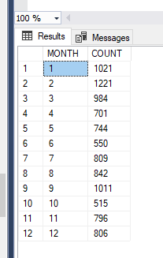 | PASSED |  | SANJAY

2 | COR0002 | Revisit in year and month | NO | SELECT YEAR(DateTime) AS MONTH ,COUNT(Customer_KEY) AS COUNT FROM [dbo].[FACT_INFA_orders] GROUP BY YEAR(DateTime) ORDER BY YEAR(DateTime) | 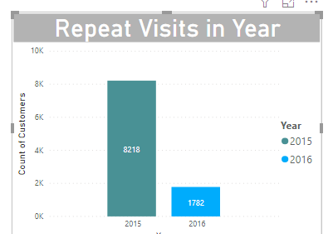 | 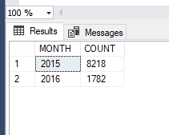 | PASSED |  | SANJAY

3 | COR0003 | Revisits in week/month | NO | SELECT FORMAT(DateTime,'dddd') ,COUNT(Customer_KEY) AS COUNT FROM [dbo].[FACT_INFA_orders] GROUP BY FORMAT(DateTime,'dddd') | 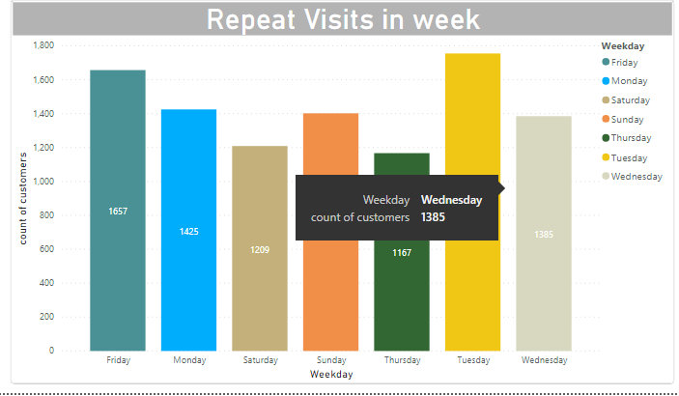 | 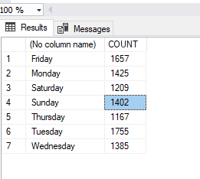 | PASSED |  | SANJAY

4 | COR004 | Revisits in Region | NO | SELECT ORDERSTATUS,COUNT(Customer_KEY) AS COUNT FROM [dbo].[FACT_INFA_orders] GROUP BY ORDERSTATUS ORDER BY ORDERSTATUS | 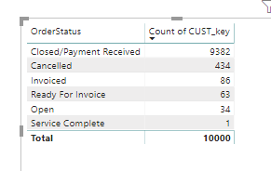 | 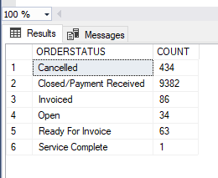 | PASSED |  | SANJAY

4 | COR005 | Revisits in Region | NO | use [Target_OCT19_KSingh] SELECT L.Region ,COUNT(Cust_KEY) AS COUNT FROM [dbo].[FACT_INFA_orders] O LEFT JOIN [dbo].[DIM_INFA_Location] L ON O.LOCATION_KEY = L.LOCATION_KEY where L.Region is not null GROUP BY L.Region | 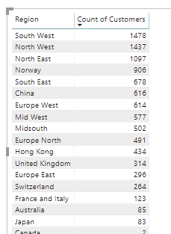 | 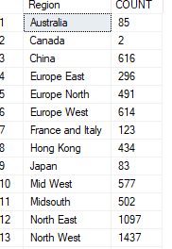 | PASSED |  | SANJAY

